Bagbaguin
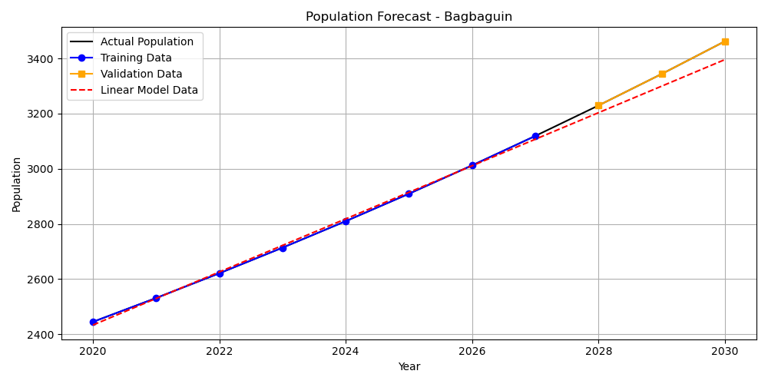
Year | Actual Population | Training Data | Validation Data | Linear Model Data
2020 | 2445 | 2445 |  | 2433.4875
2021 | 2531.55 | 2531.55 |  | 2529.7367857
2022 | 2621.17 | 2621.17 |  | 2625.9860714
2023 | 2713.96 | 2713.96 |  | 2722.2353571
2024 | 2810.03 | 2810.03 |  | 2818.4846429
2025 | 2909.51 | 2909.51 |  | 2914.7339286
2026 | 3012.51 | 3012.51 |  | 3010.9832143
2027 | 3119.15 | 3119.15 |  | 3107.2325
2028 | 3229.57 |  | 3229.57 | 3203.4817857
2029 | 3343.89 |  | 3343.89 | 3299.7310714
2030 | 3462.27 |  | 3462.27 | 3395.9803571

Bagong Barrio
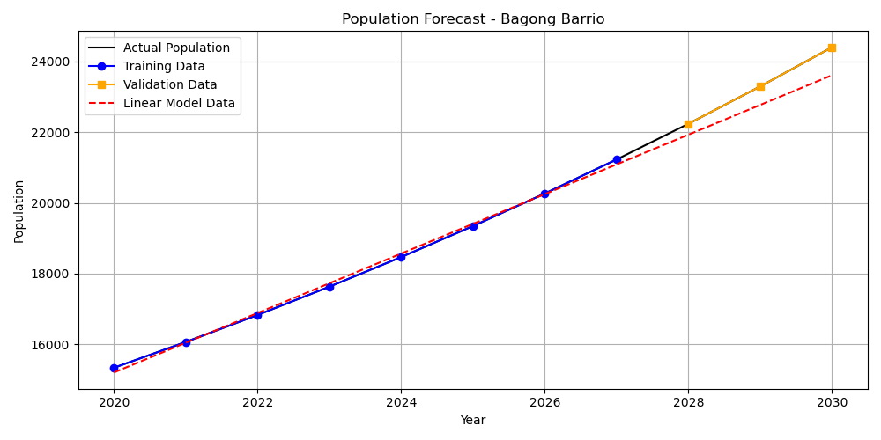
Year | Actual Population | Training Data | Validation Data | Linear Model Data
2020 | 15340 | 15340 |  | 15206.7925
2021 | 16068.65 | 16068.65 |  | 16046.993571
2022 | 16831.91 | 16831.91 |  | 16887.194643
2023 | 17631.43 | 17631.43 |  | 17727.395714
2024 | 18468.92 | 18468.92 |  | 18567.596786
2025 | 19346.19 | 19346.19 |  | 19407.797857
2026 | 20265.14 | 20265.14 |  | 20247.998929
2027 | 21227.73 | 21227.73 |  | 21088.2
2028 | 22236.05 |  | 22236.05 | 21928.401071
2029 | 23292.26 |  | 23292.26 | 22768.602143
2030 | 24398.64 |  | 24398.64 | 23608.803214

Baka-Bakahan
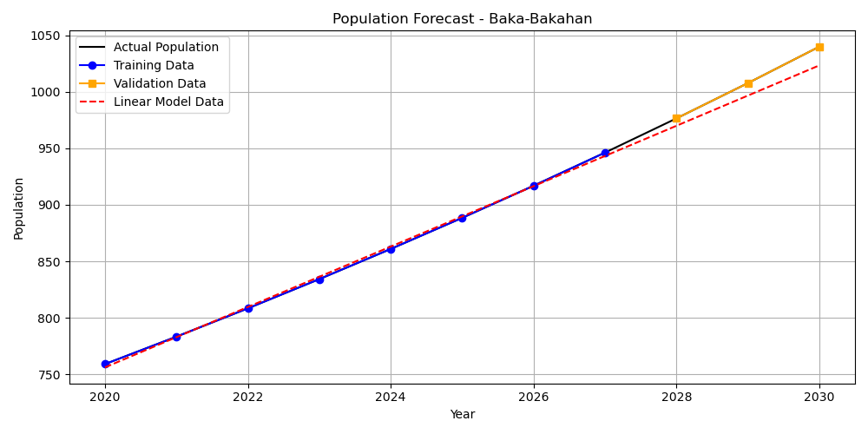
Year | Actual Population | Training Data | Validation Data | Linear Model Data
2020 | 759 | 759 |  | 756.09916667
2021 | 783.29 | 783.29 |  | 782.83440476
2022 | 808.35 | 808.35 |  | 809.56964286
2023 | 834.22 | 834.22 |  | 836.30488095
2024 | 860.92 | 860.92 |  | 863.04011905
2025 | 888.46 | 888.46 |  | 889.77535714
2026 | 916.9 | 916.9 |  | 916.51059524
2027 | 946.24 | 946.24 |  | 943.24583333
2028 | 976.52 |  | 976.52 | 969.98107143
2029 | 1007.76 |  | 1007.76 | 996.71630952
2030 | 1040.01 |  | 1040.01 | 1023.4515476

Bunsuran I
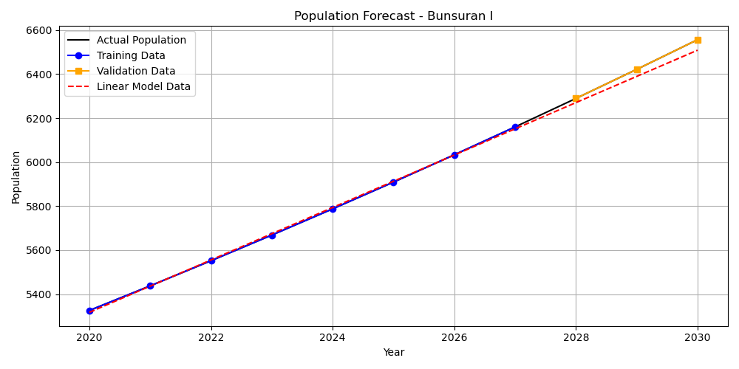
Year | Actual Population | Training Data | Validation Data | Linear Model Data
2020 | 5326 | 5326 |  | 5317.4266667
2021 | 5437.85 | 5437.85 |  | 5436.545119
2022 | 5552.04 | 5552.04 |  | 5555.6635714
2023 | 5668.63 | 5668.63 |  | 5674.7820238
2024 | 5787.67 | 5787.67 |  | 5793.9004762
2025 | 5909.22 | 5909.22 |  | 5913.0189286
2026 | 6033.31 | 6033.31 |  | 6032.137381
2027 | 6160.01 | 6160.01 |  | 6151.2558333
2028 | 6289.37 |  | 6289.37 | 6270.3742857
2029 | 6421.45 |  | 6421.45 | 6389.4927381
2030 | 6556.3 |  | 6556.3 | 6508.6111905

Bunsuran II
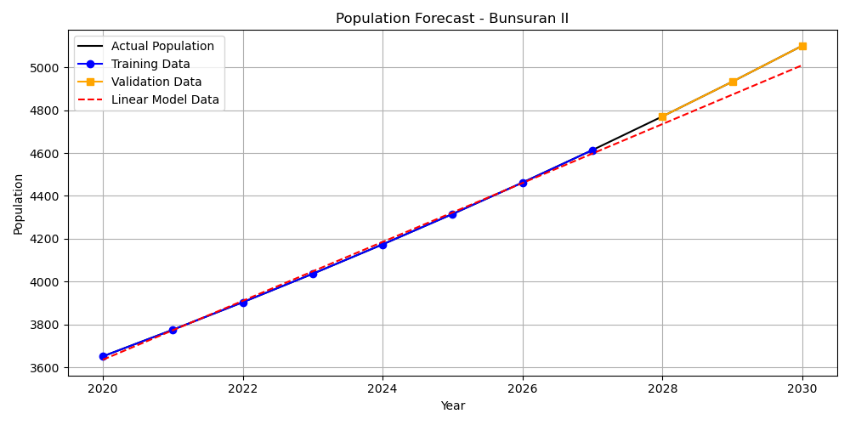
Year | Actual Population | Training Data | Validation Data | Linear Model Data
2020 | 3651 | 3651 |  | 3635.1875
2021 | 3775.13 | 3775.13 |  | 3772.6496429
2022 | 3903.49 | 3903.49 |  | 3910.1117857
2023 | 4036.21 | 4036.21 |  | 4047.5739286
2024 | 4173.44 | 4173.44 |  | 4185.0360714
2025 | 4315.34 | 4315.34 |  | 4322.4982143
2026 | 4462.06 | 4462.06 |  | 4459.9603571
2027 | 4613.77 | 4613.77 |  | 4597.4225
2028 | 4770.63 |  | 4770.63 | 4734.8846429
2029 | 4932.84 |  | 4932.84 | 4872.3467857
2030 | 5100.55 |  | 5100.55 | 5009.8089286

Bunsuran III
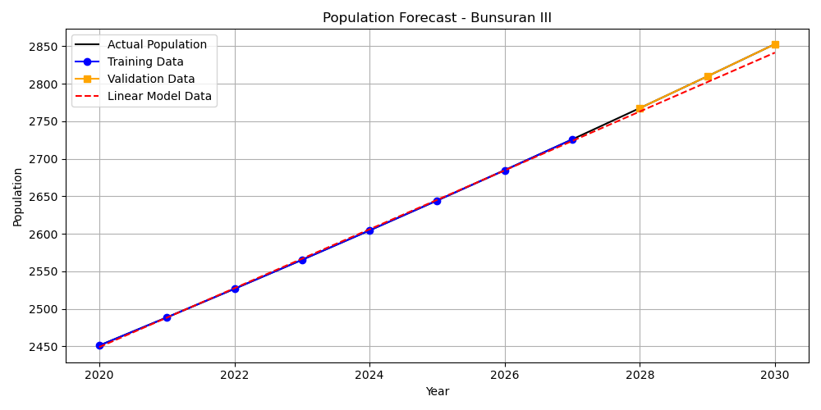
Year | Actual Population | Training Data | Validation Data | Linear Model Data
2020 | 2451 | 2451 |  | 2448.9283333
2021 | 2488.5 | 2488.5 |  | 2488.1902381
2022 | 2526.57 | 2526.57 |  | 2527.4521429
2023 | 2565.23 | 2565.23 |  | 2566.7140476
2024 | 2604.48 | 2604.48 |  | 2605.9759524
2025 | 2644.33 | 2644.33 |  | 2645.2378571
2026 | 2684.79 | 2684.79 |  | 2684.4997619
2027 | 2725.86 | 2725.86 |  | 2723.7616667
2028 | 2767.57 |  | 2767.57 | 2763.0235714
2029 | 2809.91 |  | 2809.91 | 2802.2854762
2030 | 2852.9 |  | 2852.9 | 2841.547381

Cacarong Bata
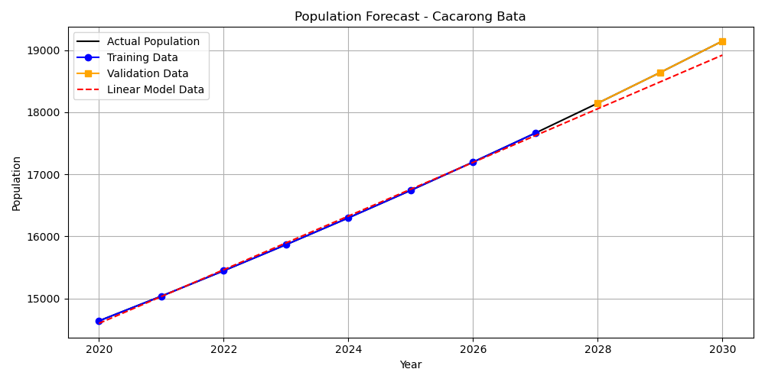
Year | Actual Population | Training Data | Validation Data | Linear Model Data
2020 | 14638 | 14638 |  | 14597.975
2021 | 15036.15 | 15036.15 |  | 15029.976429
2022 | 15445.14 | 15445.14 |  | 15461.977857
2023 | 15865.24 | 15865.24 |  | 15893.979286
2024 | 16296.78 | 16296.78 |  | 16325.980714
2025 | 16740.05 | 16740.05 |  | 16757.982143
2026 | 17195.38 | 17195.38 |  | 17189.983571
2027 | 17663.1 | 17663.1 |  | 17621.985
2028 | 18143.53 |  | 18143.53 | 18053.986429
2029 | 18637.04 |  | 18637.04 | 18485.987857
2030 | 19143.96 |  | 19143.96 | 18917.989286

Cacarong Matanda
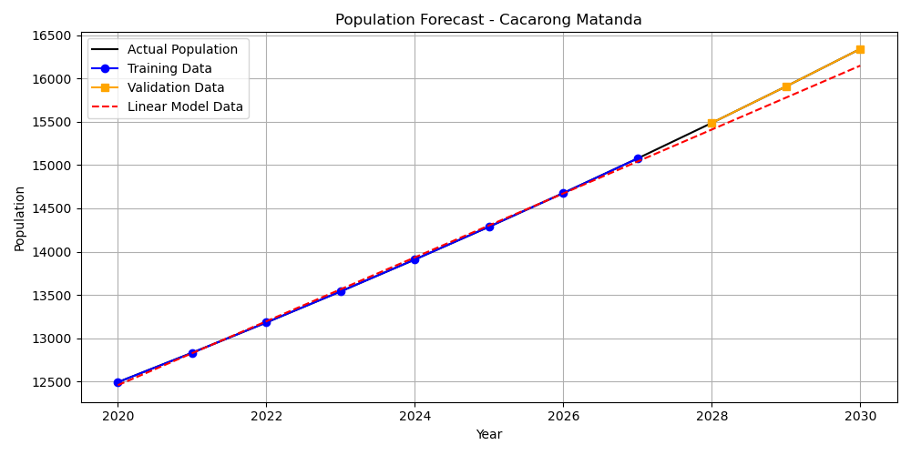
Year | Actual Population | Training Data | Validation Data | Linear Model Data
2020 | 12494 | 12494 |  | 12459.839167
2021 | 12833.84 | 12833.84 |  | 12828.56619
2022 | 13182.92 | 13182.92 |  | 13197.293214
2023 | 13541.49 | 13541.49 |  | 13566.020238
2024 | 13909.82 | 13909.82 |  | 13934.747262
2025 | 14288.17 | 14288.17 |  | 14303.474286
2026 | 14676.81 | 14676.81 |  | 14672.20131
2027 | 15076.02 | 15076.02 |  | 15040.928333
2028 | 15486.08 |  | 15486.08 | 15409.655357
2029 | 15907.3 |  | 15907.3 | 15778.382381
2030 | 16339.98 |  | 16339.98 | 16147.109405

Cupang
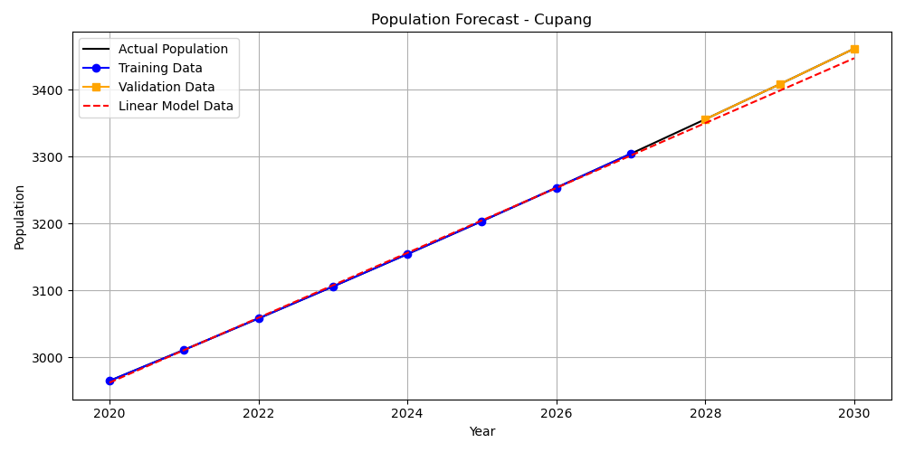
Year | Actual Population | Training Data | Validation Data | Linear Model Data
2020 | 2965 | 2965 |  | 2962.3933333
2021 | 3011.25 | 3011.25 |  | 3010.8638095
2022 | 3058.23 | 3058.23 |  | 3059.3342857
2023 | 3105.94 | 3105.94 |  | 3107.8047619
2024 | 3154.39 | 3154.39 |  | 3156.2752381
2025 | 3203.6 | 3203.6 |  | 3204.7457143
2026 | 3253.58 | 3253.58 |  | 3253.2161905
2027 | 3304.33 | 3304.33 |  | 3301.6866667
2028 | 3355.88 |  | 3355.88 | 3350.1571429
2029 | 3408.23 |  | 3408.23 | 3398.627619
2030 | 3461.4 |  | 3461.4 | 3447.0980952

Malibong Bata
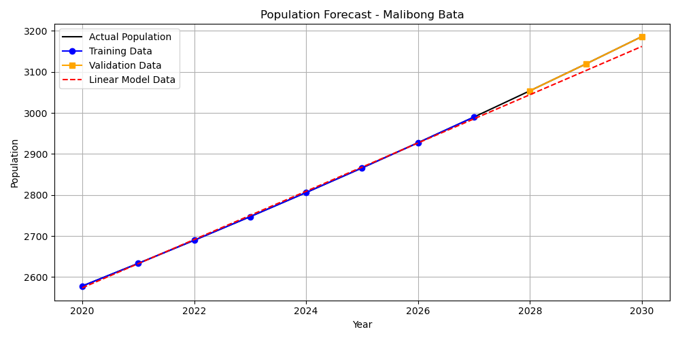
Year | Actual Population | Training Data | Validation Data | Linear Model Data
2020 | 2578 | 2578 |  | 2573.6866667
2021 | 2633.17 | 2633.17 |  | 2632.5136905
2022 | 2689.52 | 2689.52 |  | 2691.3407143
2023 | 2747.07 | 2747.07 |  | 2750.1677381
2024 | 2805.86 | 2805.86 |  | 2808.9947619
2025 | 2865.91 | 2865.91 |  | 2867.8217857
2026 | 2927.24 | 2927.24 |  | 2926.6488095
2027 | 2989.88 | 2989.88 |  | 2985.4758333
2028 | 3053.86 |  | 3053.86 | 3044.3028571
2029 | 3119.22 |  | 3119.22 | 3103.129881
2030 | 3185.97 |  | 3185.97 | 3161.9569048

Malibong Matanda

Year | Actual Population | Training Data | Validation Data | Linear Model Data
2020 | 6813 | 6813 |  | 6763.0666667
2021 | 7111.41 | 7111.41 |  | 7103.3654762
2022 | 7422.89 | 7422.89 |  | 7443.6642857
2023 | 7748.01 | 7748.01 |  | 7783.9630952
2024 | 8087.37 | 8087.37 |  | 8124.2619048
2025 | 8441.6 | 8441.6 |  | 8464.5607143
2026 | 8811.34 | 8811.34 |  | 8804.8595238
2027 | 9197.28 | 9197.28 |  | 9145.1583333
2028 | 9600.12 |  | 9600.12 | 9485.4571429
2029 | 10020.61 |  | 10020.61 | 9825.7559524
2030 | 10459.51 |  | 10459.51 | 10166.054762

Manatal

Year | Actual Population | Training Data | Validation Data | Linear Model Data
2020 | 3153 | 3153 |  | 3150.2291667
2021 | 3202.19 | 3202.19 |  | 3201.772619
2022 | 3252.14 | 3252.14 |  | 3253.3160714
2023 | 3302.87 | 3302.87 |  | 3304.8595238
2024 | 3354.4 | 3354.4 |  | 3356.4029762
2025 | 3406.73 | 3406.73 |  | 3407.9464286
2026 | 3459.87 | 3459.87 |  | 3459.489881
2027 | 3513.85 | 3513.85 |  | 3511.0333333
2028 | 3568.66 |  | 3568.66 | 3562.5767857
2029 | 3624.33 |  | 3624.33 | 3614.1202381
2030 | 3680.87 |  | 3680.87 | 3665.6636905

Mapulang Lupa
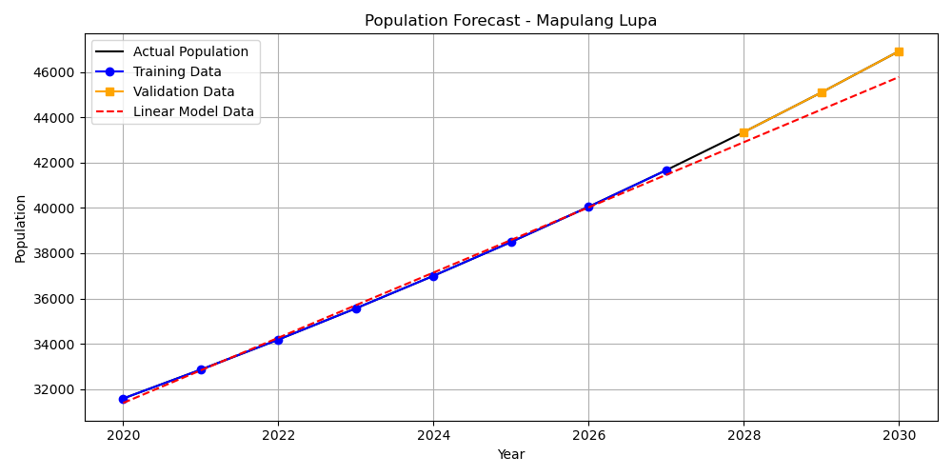
Year | Actual Population | Training Data | Validation Data | Linear Model Data
2020 | 31580 | 31580 |  | 31384.4175
2021 | 32855.83 | 32855.83 |  | 32824.595
2022 | 34183.21 | 34183.21 |  | 34264.7725
2023 | 35564.21 | 35564.21 |  | 35704.95
2024 | 37001 | 37001 |  | 37145.1275
2025 | 38495.84 | 38495.84 |  | 38585.305
2026 | 40051.08 | 40051.08 |  | 40025.4825
2027 | 41669.14 | 41669.14 |  | 41465.66
2028 | 43352.57 |  | 43352.57 | 42905.8375
2029 | 45104.02 |  | 45104.02 | 44346.015
2030 | 46926.22 |  | 46926.22 | 45786.1925

Masagana
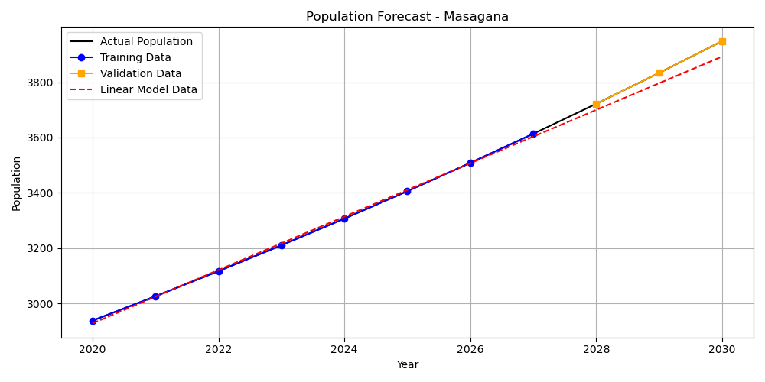
Year | Actual Population | Training Data | Validation Data | Linear Model Data
2020 | 2938 | 2938 |  | 2928.1708333
2021 | 3026.14 | 3026.14 |  | 3024.6105952
2022 | 3116.92 | 3116.92 |  | 3121.0503571
2023 | 3210.43 | 3210.43 |  | 3217.490119
2024 | 3306.74 | 3306.74 |  | 3313.929881
2025 | 3405.95 | 3405.95 |  | 3410.3696429
2026 | 3508.13 | 3508.13 |  | 3506.8094048
2027 | 3613.37 | 3613.37 |  | 3603.2491667
2028 | 3721.77 |  | 3721.77 | 3699.6889286
2029 | 3833.42 |  | 3833.42 | 3796.1286905
2030 | 3948.43 |  | 3948.43 | 3892.5684524

Masuso

Year | Actual Population | Training Data | Validation Data | Linear Model Data
2020 | 2938 | 2938 |  | 2928.1708333
2021 | 3026.14 | 3026.14 |  | 3024.6105952
2022 | 3116.92 | 3116.92 |  | 3121.0503571
2023 | 3210.43 | 3210.43 |  | 3217.490119
2024 | 3306.74 | 3306.74 |  | 3313.929881
2025 | 3405.95 | 3405.95 |  | 3410.3696429
2026 | 3508.13 | 3508.13 |  | 3506.8094048
2027 | 3613.37 | 3613.37 |  | 3603.2491667
2028 | 3721.77 |  | 3721.77 | 3699.6889286
2029 | 3833.42 |  | 3833.42 | 3796.1286905
2030 | 3948.43 |  | 3948.43 | 3892.5684524

Pinagkwartelan
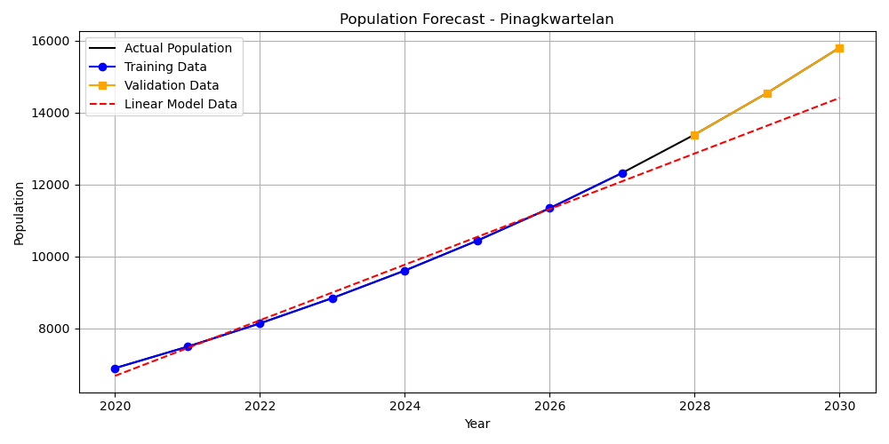
Year | Actual Population | Training Data | Validation Data | Linear Model Data
2020 | 6899 | 6899 |  | 6684.7708333
2021 | 7495.07 | 7495.07 |  | 7456.9813095
2022 | 8142.65 | 8142.65 |  | 8229.1917857
2023 | 8846.17 | 8846.17 |  | 9001.4022619
2024 | 9610.48 | 9610.48 |  | 9773.6127381
2025 | 10440.83 | 10440.83 |  | 10545.823214
2026 | 11342.92 | 11342.92 |  | 11318.03369
2027 | 12322.94 | 12322.94 |  | 12090.244167
2028 | 13387.65 |  | 13387.65 | 12862.454643
2029 | 14544.34 |  | 14544.34 | 13634.665119
2030 | 15800.97 |  | 15800.97 | 14406.875595

Poblacion
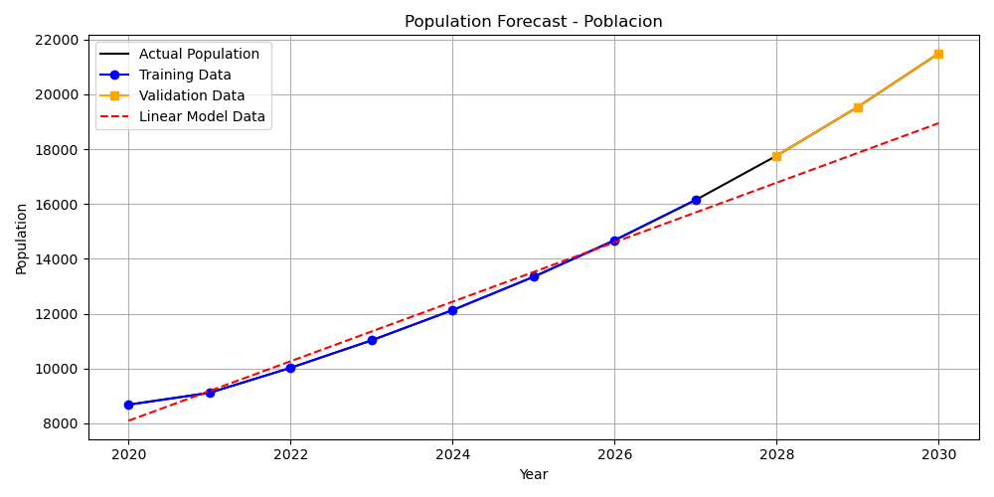
Year | Actual Population | Training Data | Validation Data | Linear Model Data
2020 | 8679 | 8679 |  | 8094.7858333
2021 | 9112.95 | 9112.95 |  | 9179.6730952
2022 | 10024.25 | 10024.25 |  | 10264.560357
2023 | 11026.67 | 11026.67 |  | 11349.447619
2024 | 12129.34 | 12129.34 |  | 12434.334881
2025 | 13342.27 | 13342.27 |  | 13519.222143
2026 | 14676.5 | 14676.5 |  | 14604.109405
2027 | 16144.15 | 16144.15 |  | 15688.996667
2028 | 17758.56 |  | 17758.56 | 16773.883929
2029 | 19534.42 |  | 19534.42 | 17858.77119
2030 | 21487.86 |  | 21487.86 | 18943.658452

Real De Cacarong
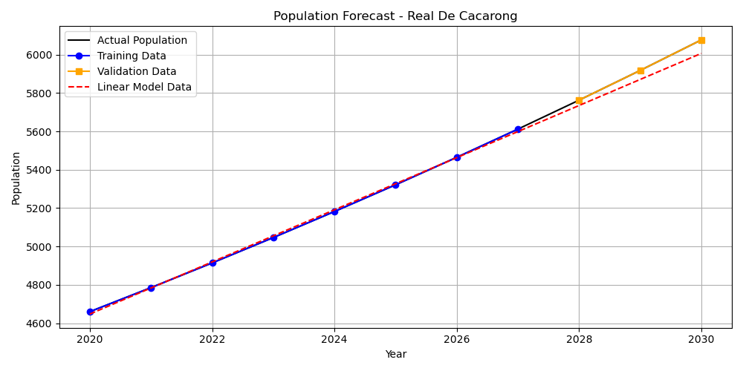
Year | Actual Population | Training Data | Validation Data | Linear Model Data
2020 | 4660 | 4660 |  | 4647.5441667
2021 | 4785.35 | 4785.35 |  | 4783.432619
2022 | 4914.08 | 4914.08 |  | 4919.3210714
2023 | 5046.27 | 5046.27 |  | 5055.2095238
2024 | 5182.01 | 5182.01 |  | 5191.0979762
2025 | 5321.41 | 5321.41 |  | 5326.9864286
2026 | 5464.56 | 5464.56 |  | 5462.874881
2027 | 5611.55 | 5611.55 |  | 5598.7633333
2028 | 5762.5 |  | 5762.5 | 5734.6517857
2029 | 5917.51 |  | 5917.51 | 5870.5402381
2030 | 6076.7 |  | 6076.7 | 6006.4286905

San Roque

Year | Actual Population | Training Data | Validation Data | Linear Model Data
2020 | 2894 | 2894 |  | 2890.3641667
2021 | 2947.83 | 2947.83 |  | 2947.2815476
2022 | 3002.66 | 3002.66 |  | 3004.1989286
2023 | 3058.51 | 3058.51 |  | 3061.1163095
2024 | 3115.4 | 3115.4 |  | 3118.0336905
2025 | 3173.34 | 3173.34 |  | 3174.9510714
2026 | 3232.37 | 3232.37 |  | 3231.8684524
2027 | 3292.49 | 3292.49 |  | 3288.7858333
2028 | 3353.73 |  | 3353.73 | 3345.7032143
2029 | 3416.11 |  | 3416.11 | 3402.6205952
2030 | 3479.65 |  | 3479.65 | 3459.5379762

Siling Bata
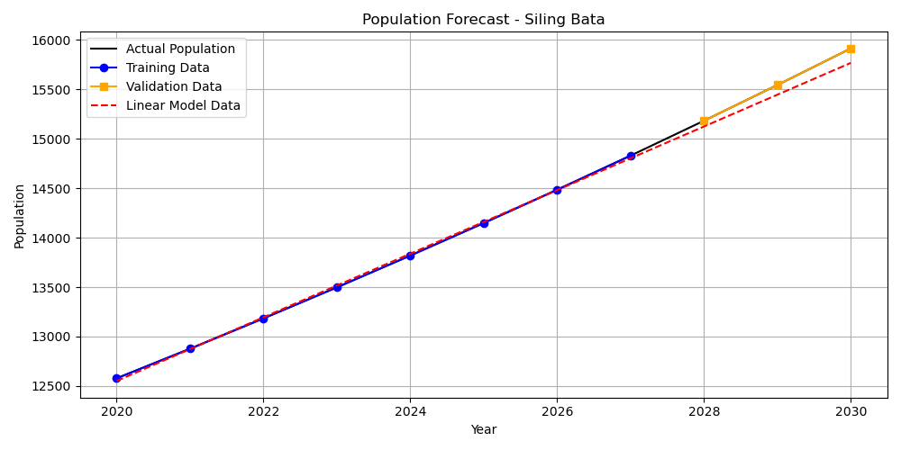
Year | Actual Population | Training Data | Validation Data | Linear Model Data
2020 | 12578 | 12578 |  | 12551.85
2021 | 12877.36 | 12877.36 |  | 12873.359286
2022 | 13183.84 | 13183.84 |  | 13194.868571
2023 | 13497.61 | 13497.61 |  | 13516.377857
2024 | 13818.86 | 13818.86 |  | 13837.887143
2025 | 14147.74 | 14147.74 |  | 14159.396429
2026 | 14484.46 | 14484.46 |  | 14480.905714
2027 | 14829.19 | 14829.19 |  | 14802.415
2028 | 15182.13 |  | 15182.13 | 15123.924286
2029 | 15543.46 |  | 15543.46 | 15445.433571
2030 | 15913.39 |  | 15913.39 | 15766.942857

Siling Matanda
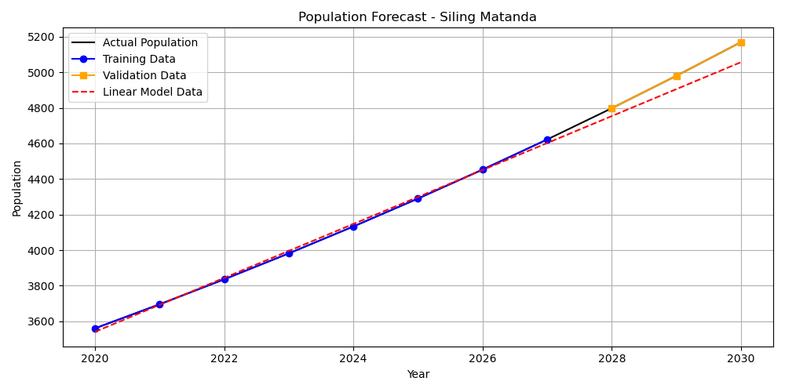
Year | Actual Population | Training Data | Validation Data | Linear Model Data
2020 | 3560 | 3560 |  | 3540.5866667
2021 | 3695.28 | 3695.28 |  | 3692.1983333
2022 | 3835.7 | 3835.7 |  | 3843.81
2023 | 3981.46 | 3981.46 |  | 3995.4216667
2024 | 4132.75 | 4132.75 |  | 4147.0333333
2025 | 4289.8 | 4289.8 |  | 4298.645
2026 | 4452.81 | 4452.81 |  | 4450.2566667
2027 | 4622.02 | 4622.02 |  | 4601.8683333
2028 | 4797.65 |  | 4797.65 | 4753.48
2029 | 4979.96 |  | 4979.96 | 4905.0916667
2030 | 5169.2 |  | 5169.2 | 5056.7033333

Sto Nino

Year | Actual Population | Training Data | Validation Data | Linear Model Data
2020 | 1749 | 1749 |  | 1741.655
2021 | 1807.59 | 1807.59 |  | 1806.4396429
2022 | 1868.15 | 1868.15 |  | 1871.2242857
2023 | 1930.73 | 1930.73 |  | 1936.0089286
2024 | 1995.41 | 1995.41 |  | 2000.7935714
2025 | 2062.25 | 2062.25 |  | 2065.5782143
2026 | 2131.34 | 2131.34 |  | 2130.3628571
2027 | 2202.74 | 2202.74 |  | 2195.1475
2028 | 2276.53 |  | 2276.53 | 2259.9321429
2029 | 2352.8 |  | 2352.8 | 2324.7167857
2030 | 2431.61 |  | 2431.61 | 2389.5014286

